Foam Location
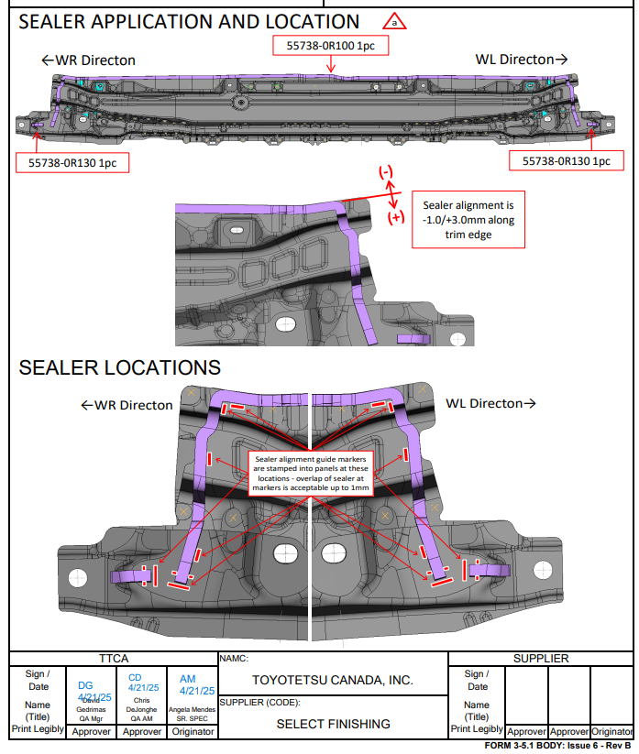
1
2
3
4
5
9
10
11
12
13
6
7
8

1

Film Build Location
